ERMANNO SCERVINO
 | ART | COL | DESCR | COMP |  | PCS | WHS | RTL
 | 12401837 | BLACK | SMALL HOBO TEAGAN | 100%PU |  | 52 | 107.00 € | 268.00 €
 | 12401837 | SAND | SMALL HOBO TEAGAN | 100%PU |  | 80 | 107.00 € | 268.00 €
 | 12401849 | ROSA | HOBO TINA | 100%PU |  | 21 | 76.00 € | 190.00 €
 | 12401849 | BLACK | HOBO TINA | 100%PU |  | 74 | 76.00 € | 190.00 €
 | 12401849 | IVORY | HOBO TINA | 100%PU |  | 23 | 76.00 € | 190.00 €
 | 12401863 | TAN | HOBO TIFFANY | 100%PU |  | 19 | 80.00 € | 200.00 €
 | 12401863 | BLACK | HOBO TIFFANY | 100%PU |  | 93 | 80.00 € | 200.00 €
 | 12401911 | ARMY GREEN | LARGE HOBO TERRA CANVAS SANGALLO | 70%POLYESTER 30%LEATHER |  | 66 | 107.00 € | 268.00 €
 | 12401911 | BLUE | LARGE HOBO TERRA CANVAS SANGALLO | 70%POLYESTER 30%LEATHER |  | 132 | 107.00 € | 268.00 €
 | 12401911 | SAND | LARGE HOBO TERRA CANVAS SANGALLO | 70%POLYESTER 30%LEATHER |  | 88 | 107.00 € | 268.00 €
 | 12401929 | GOLD | TOTE KNIT LUREX | 80%POLYESTER 20%PU |  | 54 | 69.00 € | 173.00 €
 | 12401929 | BLACK | TOTE KNIT LUREX | 80%POLYESTER 20%PU |  | 13 | 69.00 € | 173.00 €
 | 12401976 | TAUPE | ES600 UNITY | PU |  | 25 | 80.00 € | 200.00 €
 | 12401976 | TAN | ES600 UNITY | PU |  | 25 | 80.00 € | 200.00 €
 | 12401976 | BLACK | ES600 UNITY | PU |  | 75 | 80.00 € | 200.00 €
 | 12401986 | TAN | ES603 VALLY | PU |  | 12 | 78.00 € | 195.00 €
 | 12401986 | BLACK | ES603 VALLY | PU |  | 33 | 78.00 € | 195.00 €
 | 12401988 | TESTA DI MORO | ES604 VANESSA FUR | PU |  | 10 | 87.00 € | 218.00 €
 | 12401988 | BLACK | ES604 VANESSA FUR | PU |  | 38 | 87.00 € | 218.00 €
 | 12402006 | TESTA DI MORO | ES610 VERONICA COCCO | PU |  | 49 | 73.00 € | 183.00 €
 | 12402006 | BLACK | ES610 VERONICA COCCO | PU |  | 73 | 73.00 € | 183.00 €
 | 12402021 | BLACK | ES615 VIRGINIA | PU |  | 28 | 89.00 € | 223.00 €
 | 12402021 | LEOPARD | ES615 VIRGINIA | PU |  | 12 | 89.00 € | 223.00 €
 | 12402041 | LIGHT SAND | ES620 VIENNA COCCO | PU |  | 25 | 98.00 € | 245.00 €
 | 12402042 | TESTA DI MORO | ES620 VIENNA COCCO | PU |  | 50 | 91.00 € | 228.00 €
 | 12402042 | BLACK | ES620 VIENNA COCCO | PU |  | 63 | 91.00 € | 228.00 €
 | 12402051 | BLACK | ES623 VIVIAN | PU |  | 59 | 98.00 € | 245.00 €
 | 12402052 | TESTA DI MORO | ES623 VIVIAN | PU |  | 50 | 89.00 € | 223.00 €
 | ES528 RUBY FUR | 12401749 | SMALL DOUBLE HANDLE RUBY FUR | 2609 | CREAM | 16 | 122.00 € | 305.00 €
 | ES532 SALLY | 12401762 | FLAP BAG SALLY | 2244 | TAN | 8 | 98.00 € | 245.00 €
 | ES532 SALLY | 12401762 | FLAP BAG SALLY | 3666 | PLUM | 7 | 98.00 € | 245.00 €
 | ES549 SPENCER FUR | 12401799 | SMALL HOBO SPENCER FUR | 2609 | CREAM | 9 | 109.00 € | 273.00 €
 | ES549 SPENCER FUR | 12401799 | SMALL HOBO SPENCER FUR | 293 | BLACK | 46 | 109.00 € | 273.00 €
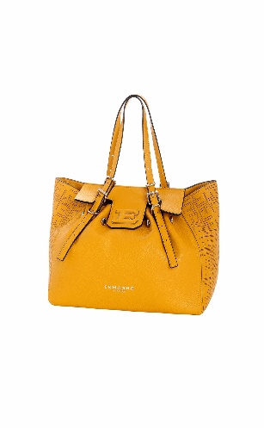 | ES497 GIOVANNA TRAFORATO | 12401657 | SMALL TOTE GIOVANNA TRAFORATO | 323 | YELLOW | 21 | 87.00 € | 218.00 €
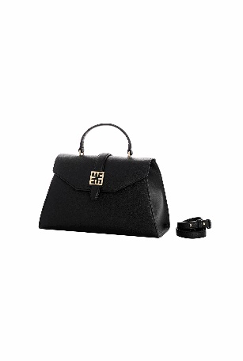 | ES506 RAFFAELLA | 12401682 | LARGE TOP HANDLE RAFFAELLA | 2275 | WHITE | 16 | 98.00 € | 245.00 €
 | ES506 RAFFAELLA | 12401682 | LARGE TOP HANDLE RAFFAELLA | 293 | BLACK | 20 | 98.00 € | 245.00 €
 | ES506 RAFFAELLA | 12401683 | SMALL TOP HANDLE RAFFAELLA | 2275 | WHITE | 15 | 87.00 € | 218.00 €
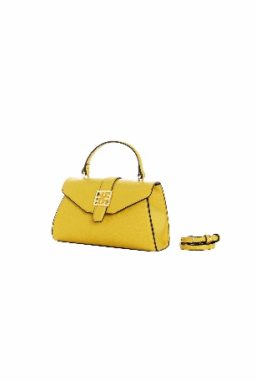 | ES506 RAFFAELLA | 12401683 | SMALL TOP HANDLE RAFFAELLA | 293 | BLACK | 11 | 87.00 € | 218.00 €
 | ES506 RAFFAELLA | 12401684 |  | 293 | BLACK | 1 | 93.00 € | 233.00 €
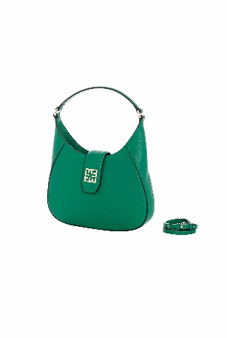 | ES506 RAFFAELLA | 12401685 | LARGE HOBO RAFFAELLA | 2275 | WHITE | 21 | 98.00 € | 245.00 €
 | ES506 RAFFAELLA | 12401685 | LARGE HOBO RAFFAELLA | 293 | BLACK | 18 | 98.00 € | 245.00 €
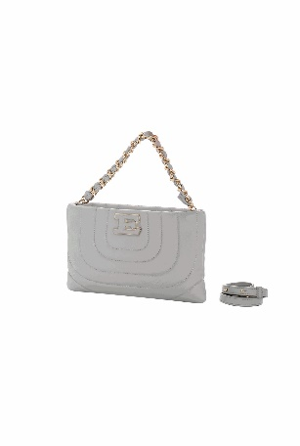 | ES509 RIVES | 12401700 | POUCH RIVES | 293 | BLACK | 25 | 76.00 € | 190.00 €
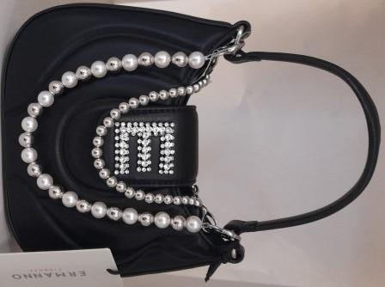 | REGINA PEARL | 12401715 | LARGE REGINA PEARL | BLACK |  | 155 | 86.00 € | 215.00 €
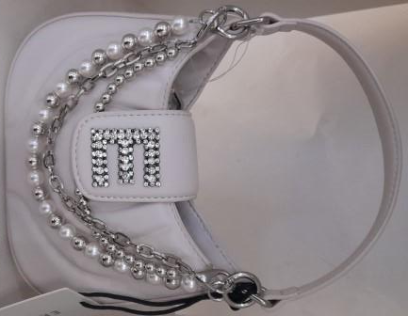 | REGINA PEARL | 12401715 | LARGE REGINA PEARL | IVORY |  | 108 | 86.00 € | 215.00 €
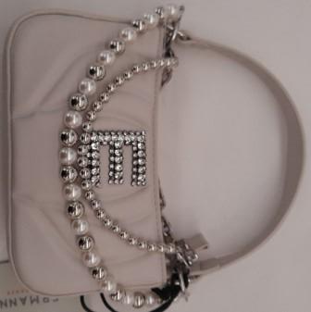 | REGINA PEARL | 12401716 | BAG WITH ZIP REGINA PEARL | BLACK |  | 169 | 80.00 € | 200.00 €
 | REGINA PEARL | 12401716 | BAG WITH ZIP REGINA PEARL | IVORY |  | 72 | 80.00 € | 200.00 €
 |  |  |  |  |  | 2080

